Description
The Average Project Completion Time is greater than that predicted by the Average Durations of the underlying tasks, because the project is not done until the last task is done

 | The Flaw of Averages in Project Completion: Why Everything is Behind Schedule
Scroll through duration scenarios here
Actual Average Release Date is 7.8 weeks
Adjust Release Target and see your chances of meeting it
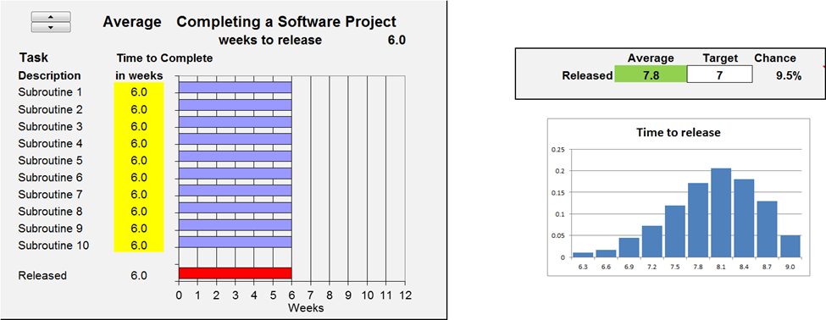

Uncertain Durations
Uncertain Durations
Uncertain Durations
 |  | Experiment with the Release Target
 |  | on the Model Sheet

Release Date given the Average Task Durations is 6 weeks
Distribution of Actual Time to Release

The Release Date formula (D19) drives the Data Table on the PMTable sheet while running duration scenarios through cells D8 through D17.

Copyright © 2013 ProbabilityManagement.org, all rights reserved.
www.probabilitymanagement.org

Model
 |  |  |  |  |  |  |  |  |  |  | 0 | 1001
 |  | Schedule

 | Average | Completing a Software Project
 |  | weeks to release |  |  |  | 6.0
Task | Time to Complete |  |  |  |  |  |  | Average | Target | Chance
 | 0 | 6 | 0.0
 | 0 | 0
 | 6 | 0 | 0.0
 | 6 | 0 | 0.0
 | 6 | 0 | 0.0
 | 6 | 0 | 0.0
 | 6 | 0 | 0.0
 | 6 | 0 | 0.0
 | 6 | 0 | 0.0
 | 6 | 0 | 0.0
 | 6 | 0 | 0.0
 | 6 | 0 | 0.0
Description | in weeks |  |  |  |  |  | Released | 7.8 | 7 | 9.5%
Subroutine 1 | 6.0 |  | 0 | 6.0 | 0
Subroutine 2 | 6.0 |  | 0 | 0
Time to release
6.3 | 0.01
6.6 | 0.017
6.9 | 0.044
7.2 | 0.072
7.5 | 0.119
7.8 | 0.172
8.1 | 0.206
8.4 | 0.18
8.7 | 0.13
9 | 0.05
Subroutine 3 | 6.0 |  | 6 | 0 | 0
Subroutine 4 | 6.0 |  | 6 | 0 | 0
Subroutine 5 | 6.0 |  | 6 | 0 | 0
Subroutine 6 | 6.0 |  | 6 | 0 | 0
Subroutine 7 | 6.0 |  | 6 | 0 | 0
Subroutine 8 | 6.0 |  | 6 | 0 | 0
Subroutine 9 | 6.0 |  | 6 | 0 | 0
Subroutine 10 | 6.0 |  | 6 | 0 | 0
 |  |  | 6 | 0 | 0
Released | 6.0 |  | 6 | 0 | 0

Copyright © 2013 ProbabilityManagement.org, all rights reserved.
www.probabilitymanagement.org

